Sheet1
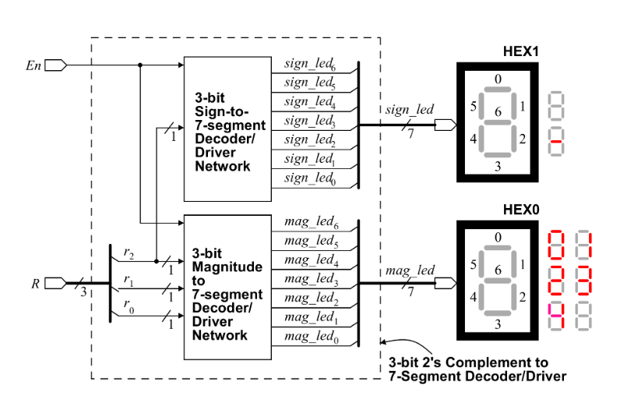
SIGNED
En | R[2:0] | Sign(R) | Magnitude(R) | sign_leads[6:0] | mag_leads[6:0]
0 | XXX | X | X | 1111111 | 1111111
1 | 000 | 0+ | 0 | 1111111 | 1000000
1 | 001 | 0+ | 1 | 1111111 | 1111001
1 | 010 | 0+ | 2 | 1111111 | 0100100
1 | 011 | 0+ | 3 | 1111111 | 0110100
1 | 100 | 1- | -4 | 0111111 | 0100000
1 | 101 | 1- | -3 | 0111111 | 0011001
1 | 110 | 1- | -2 | 0111111 | 0100100
1 | 111 | 1- | -1 | 0111111 | 1111001

